1. Title Page
Basket Analysis

Project Name: Instacart Basket Analysis
Date:12/23
Analyst Name: Seema Khan

Contents:
Population Flow
Consistency checks
Wrangling steps
Column derivations
Visualizations
Recommendations

2. Population Flow
Title page

Population flow

Exclusion flag
Condition: max_order < 5
Obervations to be removed: 1440295
Final total count of order_products_all: 30964564, 34

Orders_products_combined
Orders_products_merged
Orders_products_all

Total: 32434489, 13
Total: 32404859, 25
Total: 32404859, 34

1.) The grey boxes in the first row of the population flow represent the original data sets as they were when you downloaded them. In the Total fields you need to add the count of the rows when you imported the data set into Jupyter.
2.) The second row of boxes (coloured) represents the data sets after you manipulated them, e.g., removed missing values and duplicates. In the Total fields you need to add the count of the rows after conducting these operations. This offers a visual oveview of how the data flows throughout the data consistency checks.
3.) The third row, where also the arrows are coloured, represents the merges you performed between the datasets. In the Total fields you need to add the count of the rows in the merged datasets, so that you end up with the final dataset (in the red box). Keep in mind the final dataset should be without exclusions (based on the exclusion flag).

3. Consistency checks
 |  |  |  | Title page
Consistency checks

Dataset | Missing values | Missing values treatment | Duplicates
orders | 206209 missing from days_since_prior_order | no change given that missing data does not suggest an error | none
products | 16 missing values in product_name | values removed | 5 duplicates found and removed
orders_products_prior | none | none | none
customers | 11259 missing from first_name | no change given that missing values were not needed for analysis | none

4. Wrangling steps
 |  |  |  | Title page
Wrangling steps

Columns dropped | Columns renamed | Columns' type changed | Comment/Reason
eval_set |  |  | not needed for analysis
 | order_dow |  | changed to be more descriptive - orders_day_of_week
 |  | order_id | this is an identifier, not a value to be analyzed numerically
 | First Name |  | changed to first_name
 | Surnam |  | mispelled, changed to last_name
 | Gender |  | changed to gender for consistency
 | STATE |  | changed to state for consistency
 | Age |  | changed to age for consistency
 | n_dependents |  | changed to #_dependents for clarity
first_name |  |  | removed given PII risk
last_name |  |  | removed given PII risk
 |  | department_id | changed to make consistent with other dataframe for merging
_merge |  |  | dropped when created to maintain clean dataframe

5. Column derivations
 |  |  |  |  |  |  |  | Title page

Column derivations and aggregations

In this tab you should add tables below that the frequencies of flags/label variables that you produced after deriving them. NB: don't do this for continuous variables, only for flags.
Dataset | New column | Column/s it was derived from | Conditions
ords_prods_merged | price_range | prices | if row['prices'] <= 5: return 'Low-range product' elif (row['prices'] > 5) and (row['prices'] <= 15): return 'Mid-range product' elif row['prices'] > 15: return 'High range' else: return 'Not enough data'
ords_prods_merged | price_range_loc | prices | df.loc[df['prices'] > 15, 'price_range_loc'] = 'High-range product' df.loc[(df['prices'] <= 15) & (df['prices'] > 5), 'price_range_loc'] = 'Mid-range product' df.loc[df['prices'] <= 5, 'price_range_loc'] = 'Low-range product'
ords_prods_merged | busiest_day | orders_day_of_week | result = [] for value in df_ords_prods_merged["orders_day_of_week"]: if value == 0: result.append("Busiest day") elif value == 4: result.append("Least busy") else: result.append("Regularly busy") | price_range Mid-range product 756450 Low-range product 243550 Name: count, dtype: int64 | price_range_loc Mid-range product 21860860 Low-range product 10126321 High-range product 417678 Name: count, dtype: int64 | busiest_day Regularly busy 22416875 Busiest day 6204182 Least busy 3783802 Name: count, dtype: int64 | busiest_days Regular days 12916111 Busiest days 11864412 Slowest days 7624336 Name: count, dtype: int64 | busiest_period_of_day Most orders 23205725 Average orders 8937275 Fewest orders 261859 Name: count, dtype: int64
ords_prods_merged | busiest_days | orders_day_of_week | result2 = [] for value in df_ords_prods_merged['orders_day_of_week']: if value == 0: result2.append('Busiest days') elif value == 1: result2.append('Busiest days') elif value == 4: result2.append('Slowest days') elif value == 3: result2.append('Slowest days') else: result2.append('Regular days')
ords_prods_merged | busiest_period_of_day | order_hour_of_day | result3 = [] for value in df_ords_prods_merged["order_hour_of_day"]: if value == 10: result3.append("Most orders") elif value == 11: result3.append("Most orders") elif value == 14: result3.append("Most orders") elif value == 15: result3.append("Most orders") elif value == 13: result3.append("Most orders") elif value == 12: result3.append("Most orders") elif value == 16: result3.append("Most orders") elif value == 9: result3.append("Most orders") elif value == 17: result3.append("Most orders") elif value == 5: result3.append("Fewest orders") elif value == 2: result3.append("Fewest orders") elif value == 4: result3.append("Fewest orders") elif value == 3: result3.append("Fewest orders") else: result3.append("Average orders")
ords_prods_derived_cols | loyalty_flag | max_order | df_ords_prods.loc[df_ords_prods['max_order'] > 40, 'loyalty_flag'] = 'Loyal customer' df_ords_prods.loc[(df_ords_prods['max_order'] <= 40) & (df_ords_prods['max_order'] > 10), 'loyalty_flag'] = 'Regular customer' df_ords_prods.loc[df_ords_prods['max_order'] <= 10, 'loyalty_flag'] = 'New customer' | prices mean min max loyalty_flag Loyal customer 10.386336 1.0 99999.0 New customer 13.294670 1.0 99999.0 Regular customer 12.495717 1.0 99999.0 | spending_flag Low spender 31770614 High spender 634245 Name: count, dtype: int64 | Frequent customer 21559853 Regular customer 7208564 Non-frequent customer 3636437 NaN 5 Name: count, dtype: int64 | West 8292913 South 8291983 NaN 6311075 Northeast 5722736 Midwest 3786152 Name: count, dtype: int64 | age_group Middle Aged 14526725 Young Adult 8242295 Senior 8195544 Name: count, dtype: int64
ords_prods_derived_cols | mean_price | user_id & prices | df_ords_prods['mean_price'] = df_ords_prods.groupby(['user_id'])['prices'].transform(np.mean) 8 spending flag df_ords_prods.loc[df_ords_prods['mean_price'] < 10, 'spending_flag'] = 'Low spender' df_ords_prods.loc[df_ords_prods['mean_price'] >= 10, 'spending_flag'] = 'High spender'
ords_prods_derived_cols | spending_flag | mean_price | df_ords_prods.loc[df_ords_prods['mean_price'] < 10, 'spending_flag'] = 'Low spender' df_ords_prods.loc[df_ords_prods['mean_price'] >= 10, 'spending_flag'] = 'High spender'
ords_prods_derived_cols | median_buying_frequency | user_id & days_since_prior_order | df_ords_prods['median_buying_frequency'] = df_ords_prods.groupby(['user_id'])['days_since_prior_order'].transform(np.median)
ords_prods_derived_cols | order_frequency_flag | median_buying_frequency | df_ords_prods.loc[df_ords_prods['median_buying_frequency'] > 20, 'order_frequency_flag'] = 'Non-frequent customer' df_ords_prods.loc[(df_ords_prods['median_buying_frequency'] <= 20) & (df_ords_prods['median_buying_frequency'] > 10), 'order_frequency_flag'] = 'Regular customer' df_ords_prods.loc[df_ords_prods['median_buying_frequency'] <= 10, 'order_frequency_flag'] = 'Frequent customer'
ords_prods_custs | regional_flag | state | df_opc.loc[df_opc['state'].isin(['Maine','New Hampshire','Vermont','Massachusetts', 'Rhode Island','Connecticut','New York','Pennsylvania','New Jersey']), 'regional_flag'] = 'Northeast' df_opc.loc[df_opc['state'].isin(['Wisconsin','Michigan','Illinois','Indiana', 'Ohio', 'North Dakota','South Dakota''Nebraska','Kansas''Minnesota','Iowa''Missouri']), 'regional_flag'] = 'Midwest' df_opc.loc[df_opc['state'].isin(['Delaware', 'Maryland','District of Columbia''Virginia''West Virginia','North Carolina','South Carolina', 'Georgia','Florida',' Kentucky', 'Tennessee', 'Mississippi', 'Alabama', 'Oklahoma', 'Texas', 'Arkansas', 'Louisiana']), 'regional_flag'] = 'South' df_opc.loc[df_opc['state'].isin(['Idaho', 'Montana','Wyoming','Nevada','Utah','Colorado','Arizona','New Mexico','Alaska','Washington','Oregon','California','Hawaii']), 'regional_flag'] = 'West'
ords_prods_custs | age_group | age | df_opcd.loc[(df_opcd['age'] >=18) & (df_opcd['age'] <35), 'age_group'] = 'Young Adult' df_opcd.loc[(df_opcd['age'] >=35) & (df_opcd['age'] <65), 'age_group'] = 'Middle Aged' df_opcd.loc[df_opcd['age'] >=65, 'age_group'] = 'Senior' | income_group Average Income 15042617 Lower Income 8520533 High Income 7401414 Name: count, dtype: int64 | Average Income W/ Kids 11310047 Lower Income W/ Kids 6388712 High Income W/ Kids 5526124 Average Income No Kids 3732570 Lower Income No Kids 2131821 High Income No Kids 1875290 Name: count, dtype: int64
ords_prods_custs | income_group | income | df_opcd.loc[df_opcd['income'] < 70000, 'income_group'] = 'Lower Income' df_opcd.loc[(df_opcd['income'] >= 70000) & (df_opcd['income'] < 130000), 'income_group'] = 'Average Income' df_opcd.loc[df_opcd['income'] >= 130000, 'income_group'] = 'High Income'
ords_prods_custs | family_type | income_group & n_dependents | df_opcd.loc[(df_opcd['income_group'] == 'Lower Income') & (df_opcd['n_dependants'] == 0), 'family_type'] = 'Lower Income No Kids' df_opcd.loc[(df_opcd['income_group'] == 'Lower Income') & (df_opcd['n_dependants'] >= 1), 'family_type'] = 'Lower Income W/ Kids' df_opcd.loc[(df_opcd['income_group'] == 'Average Income') & (df_opcd['n_dependants'] == 0), 'family_type'] = 'Average Income No Kids' df_opcd.loc[(df_opcd['income_group'] == 'Average Income') & (df_opcd['n_dependants'] >= 1), 'family_type'] = 'Average Income W/ Kids' df_opcd.loc[(df_opcd['income_group'] == 'High Income') & (df_opcd['n_dependants'] == 0), 'family_type'] = 'High Income No Kids' df_opcd.loc[(df_opcd['income_group'] == 'High Income') & (df_opcd['n_dependants'] >= 1), 'family_type'] = 'High Income W/ Kids'

6. Visualizations
 |  |  |  |  |  | Title page

Visualisations

In this tab you should include all the visualizations from Exercises 4.9 and 4.10, alongside the questions from the project brief that they answer. Include any commentary on the relationship between different variables.

The sales team needs to know what the busiest days of the week and hours of the day are (i.e., the days and times with the most orders) in order to schedule ads at times when there are fewer orders. The busiest days are Fri-Sun, with a peak on Saturday and Sunday. Tuesday and Wednesday have the fewest orders and could benefit from more ads to encourage more orders. In terms of hours, peak buying time is approximately 9-5. |  | 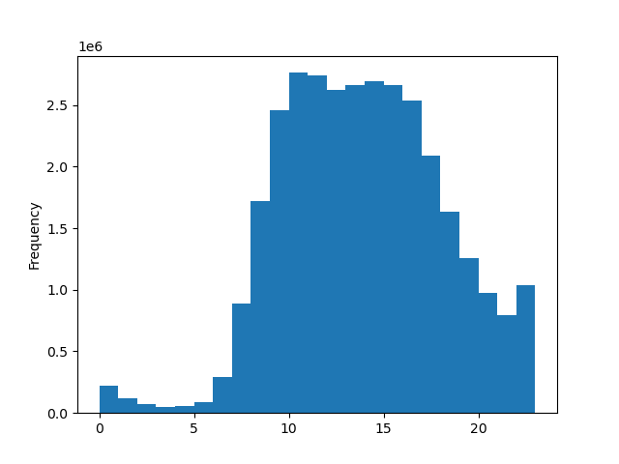

They also want to know whether there are particular times of the day when people spend the most money, as this might inform the type of products they advertise at these times. To go along with the frequency of orders, the most expensive items are purchased around the same time on Friday and Saturdays. Also, the analysis suggests that the most expensive items are purchased in the middle of the night around 3AM and least expensive items around 10AM. | 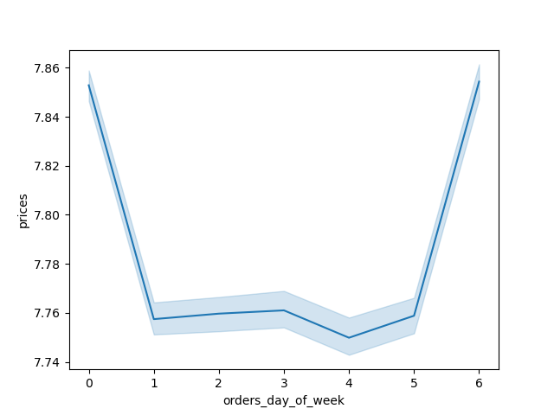 | 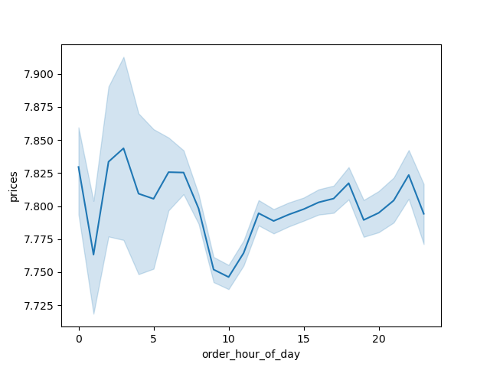

Instacart has a lot of products with different price tags. Marketing and sales want to use simpler price range groupings to help direct their efforts. From looking at the frequency of purchases of differently priced items, it's clear that the items priced 1-15 are the most commonly bought. As products cost more (15+), there is a significant reduction in interest. | 

Are there certain types of products that are more popular than others? The marketing and sales teams want to know which departments have the highest frequency of product orders. Looking at the purchasing decisions across different profile groupings in the different departments, it's clear that less money is spent on snacks, and more on 'meat seafood' and 'dairy eggs.' The 'dairy eggs' category is interesting because the lower income group spends a similar amount there as in the other categories, but average and especially higher income folks spend a lot more money in this category. | 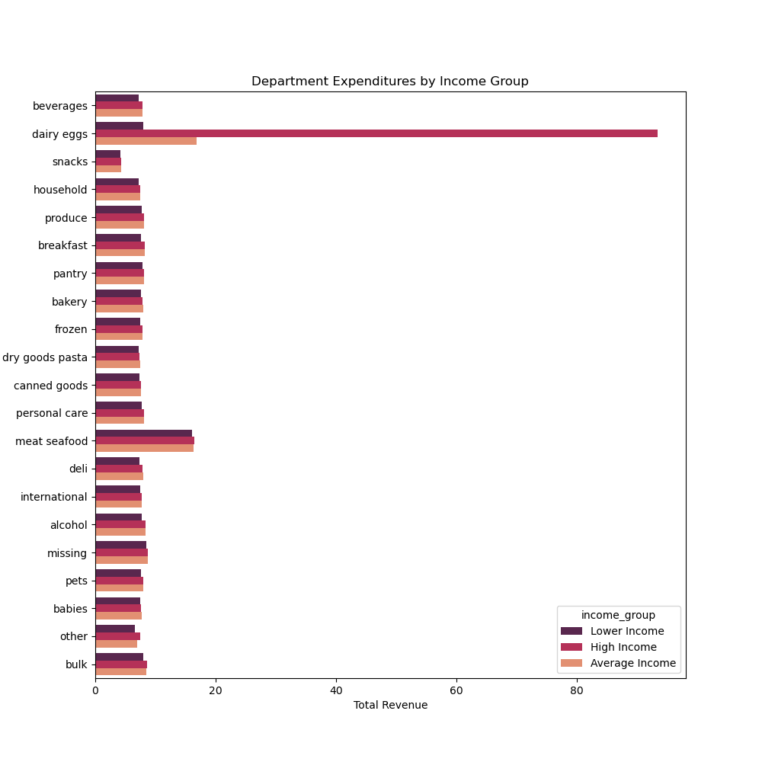 | 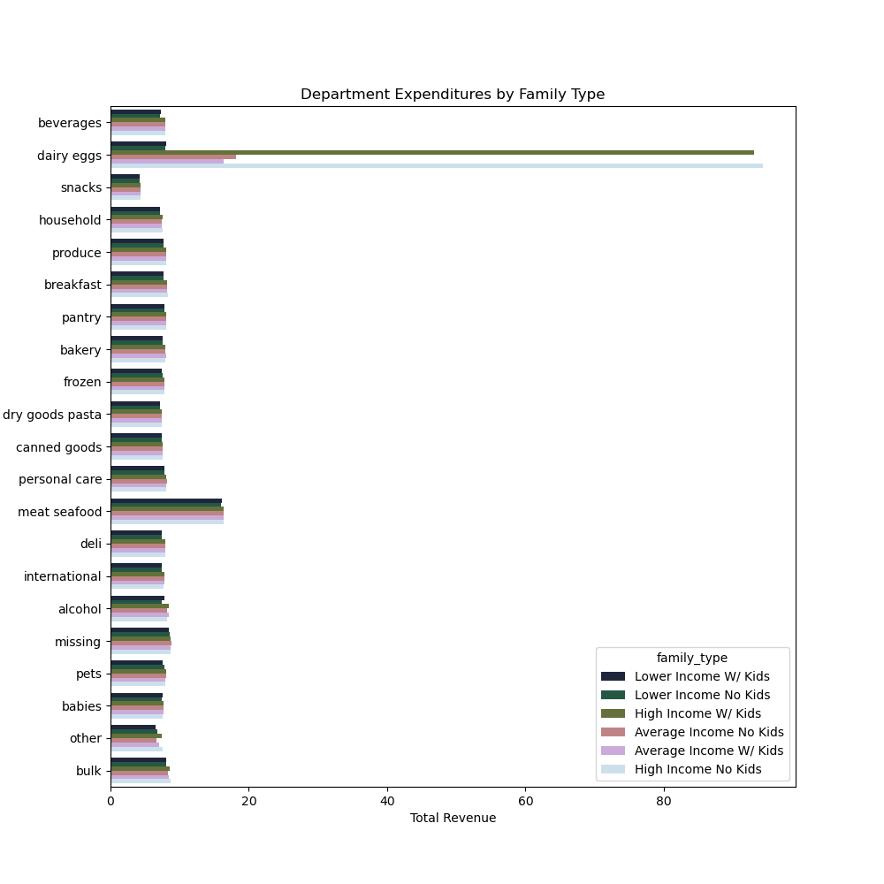 | 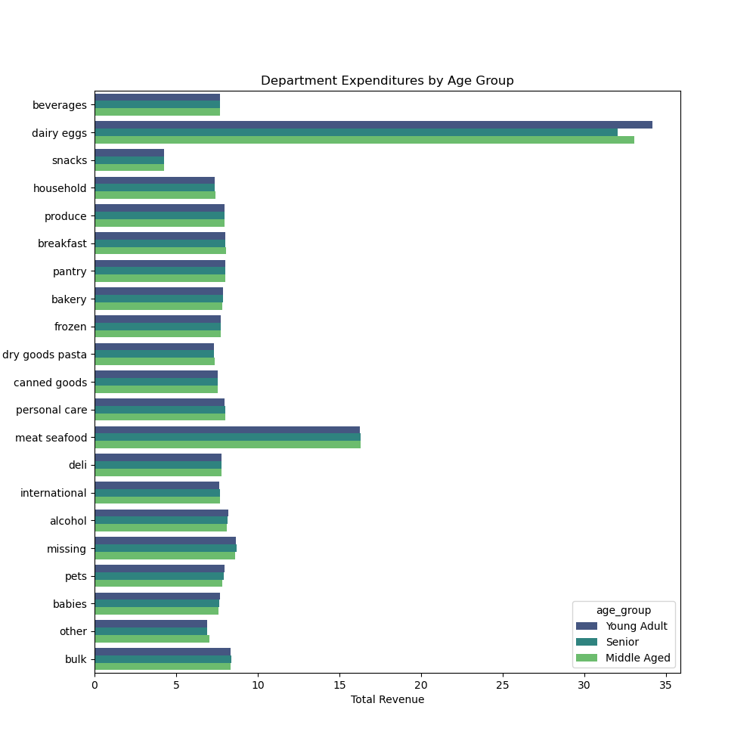

The marketing and sales teams are particularly interested in the different types of customers in their system and how their ordering behaviors differ. There are several visualizations to the right to show the behavior of different types of customers. The first reveals the difference of income of folks under 40 and folks above. The the 40+ group, there are far more people in a higher income bracket who would have more income to spend on their shopping. This would of course influence their purchasing decisions. Next to the right is the difference in purchasing of the new, regular, and loyal customers. It's clear that maintaining an emphasis on the regular customers is beneficial given the volume of regular customers compared to those in the other groups. Finally, the regional differences in purchasing were mostly negligible. Analysis across different profiles only revealed the preferences of the higher earners and their outsized impact on purchases. |  | 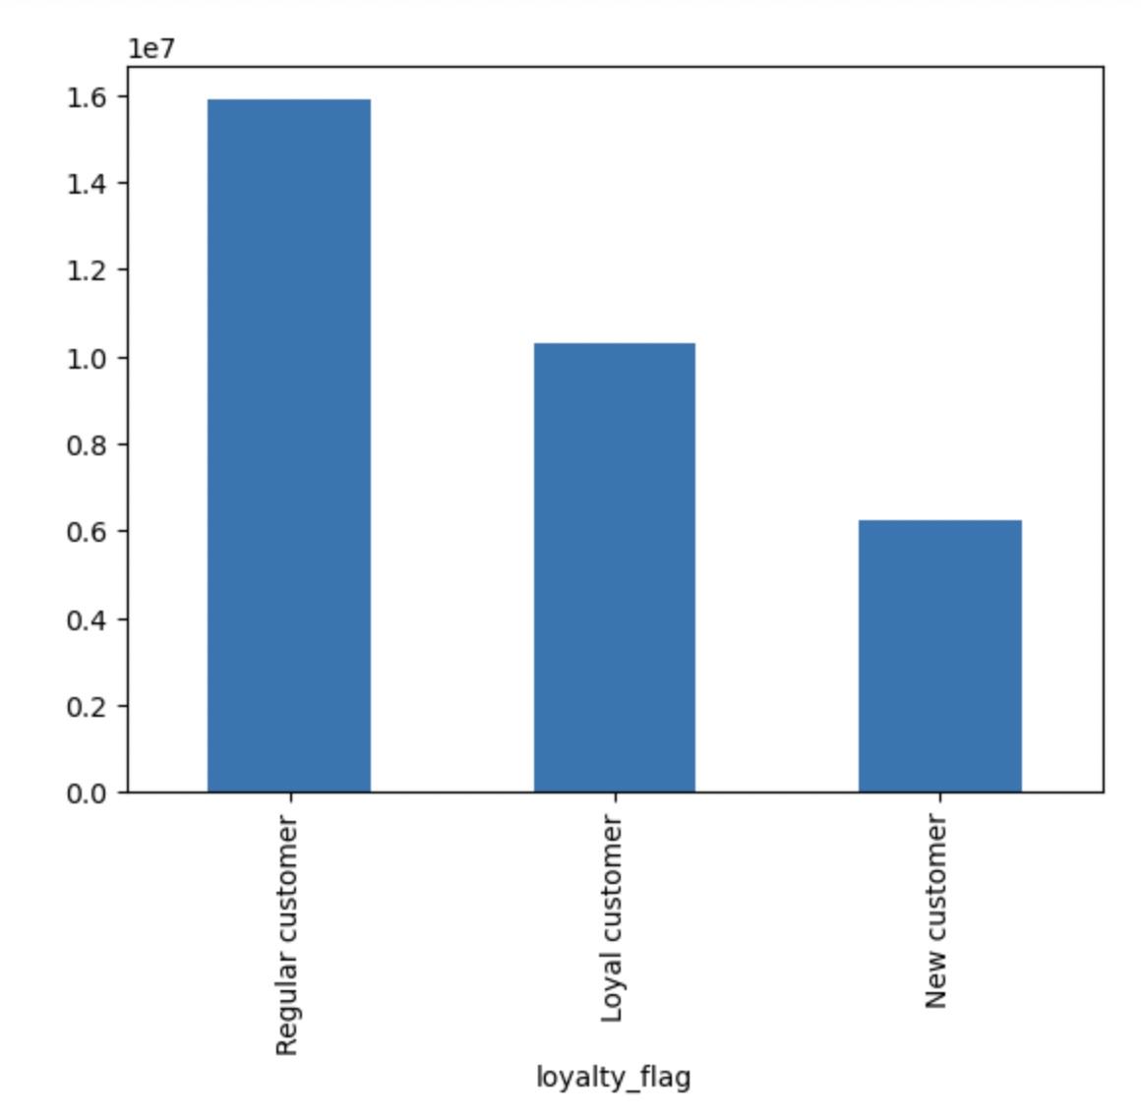 | 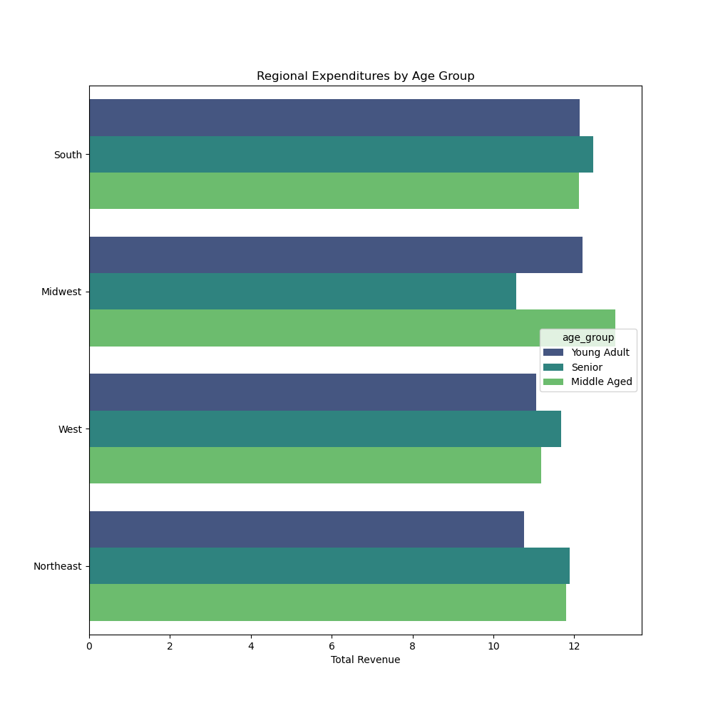 | 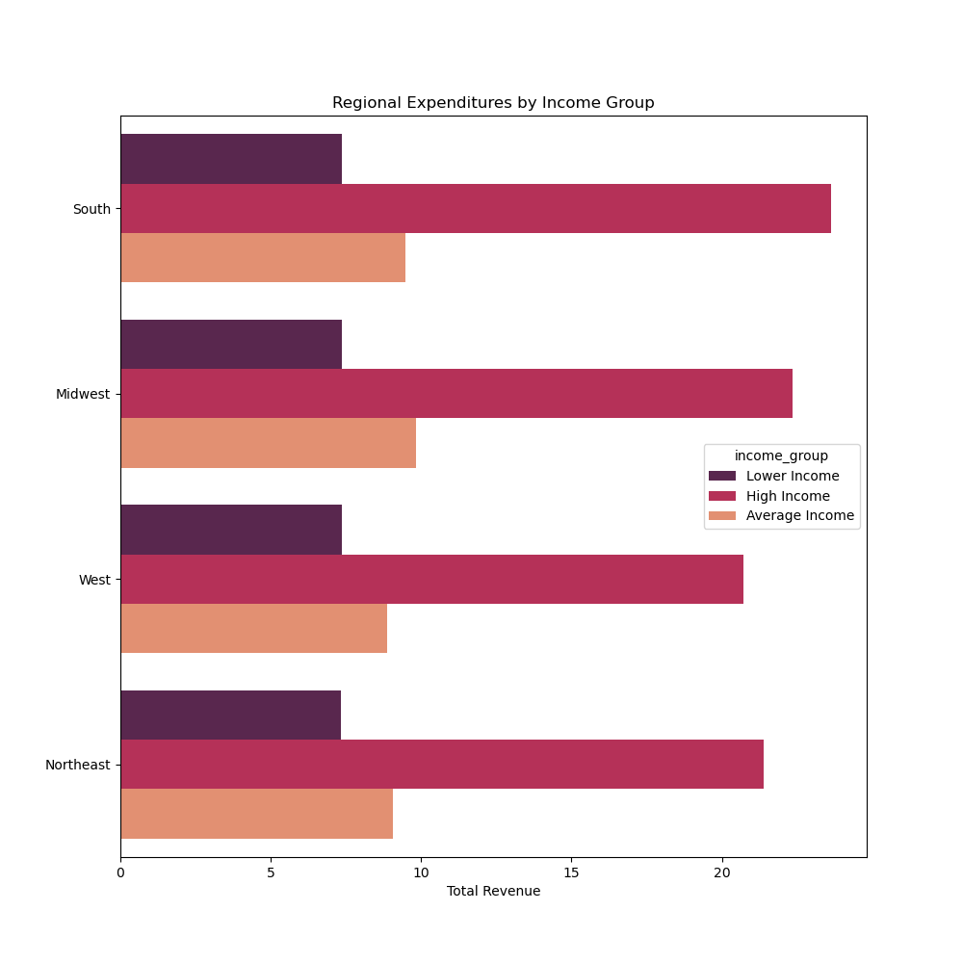 | 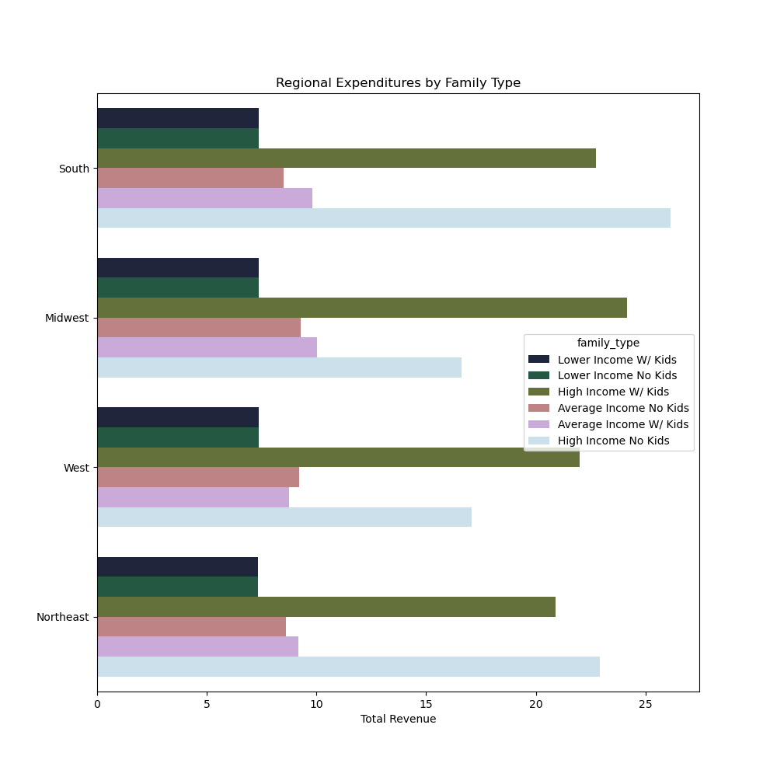

For reference: To the right are the different profiles created and analyzed and the distributions of the different profiles within the dataframe. | 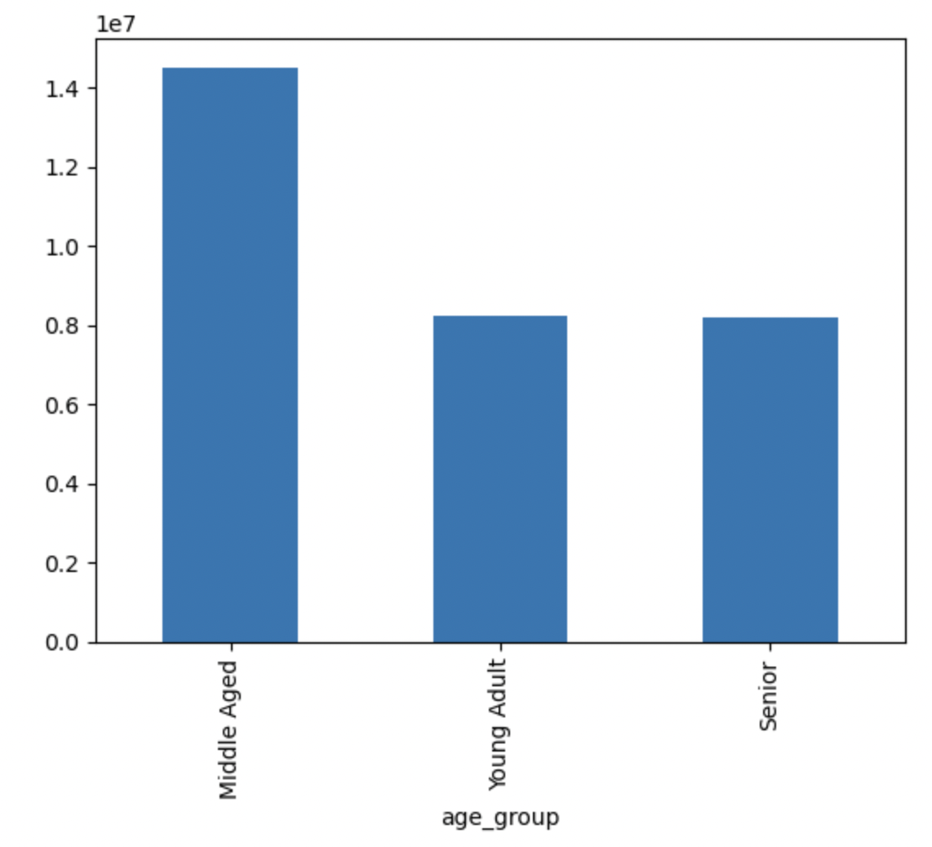 | 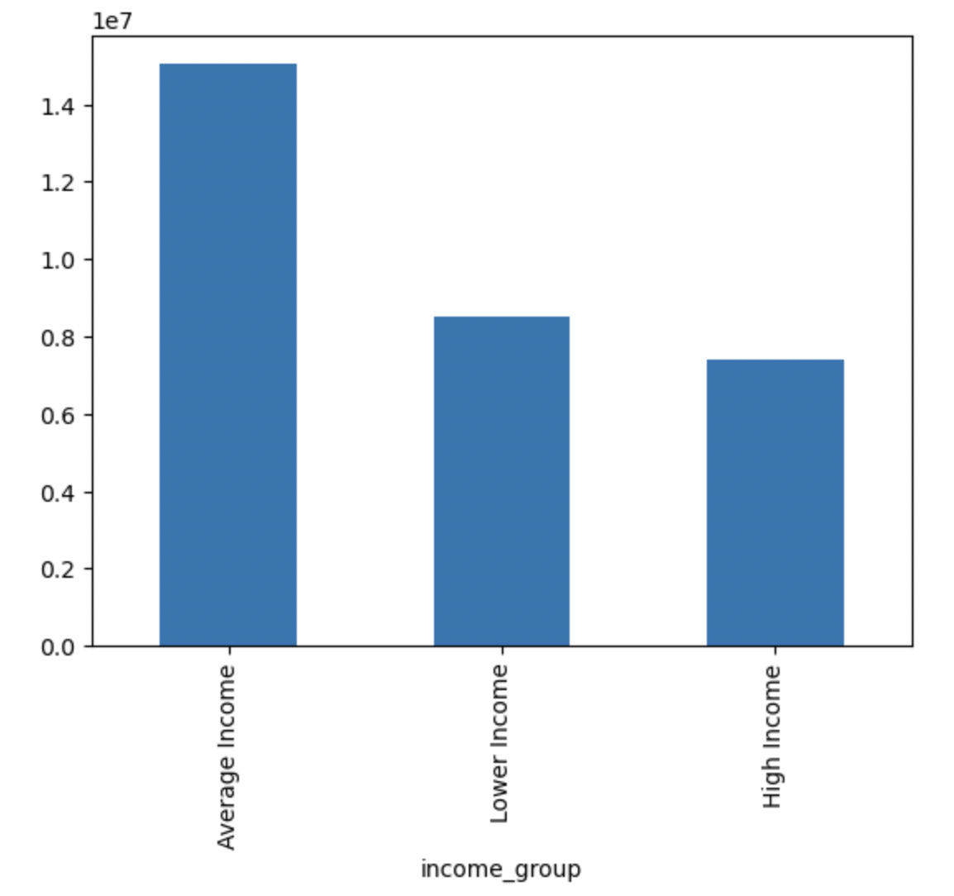 | 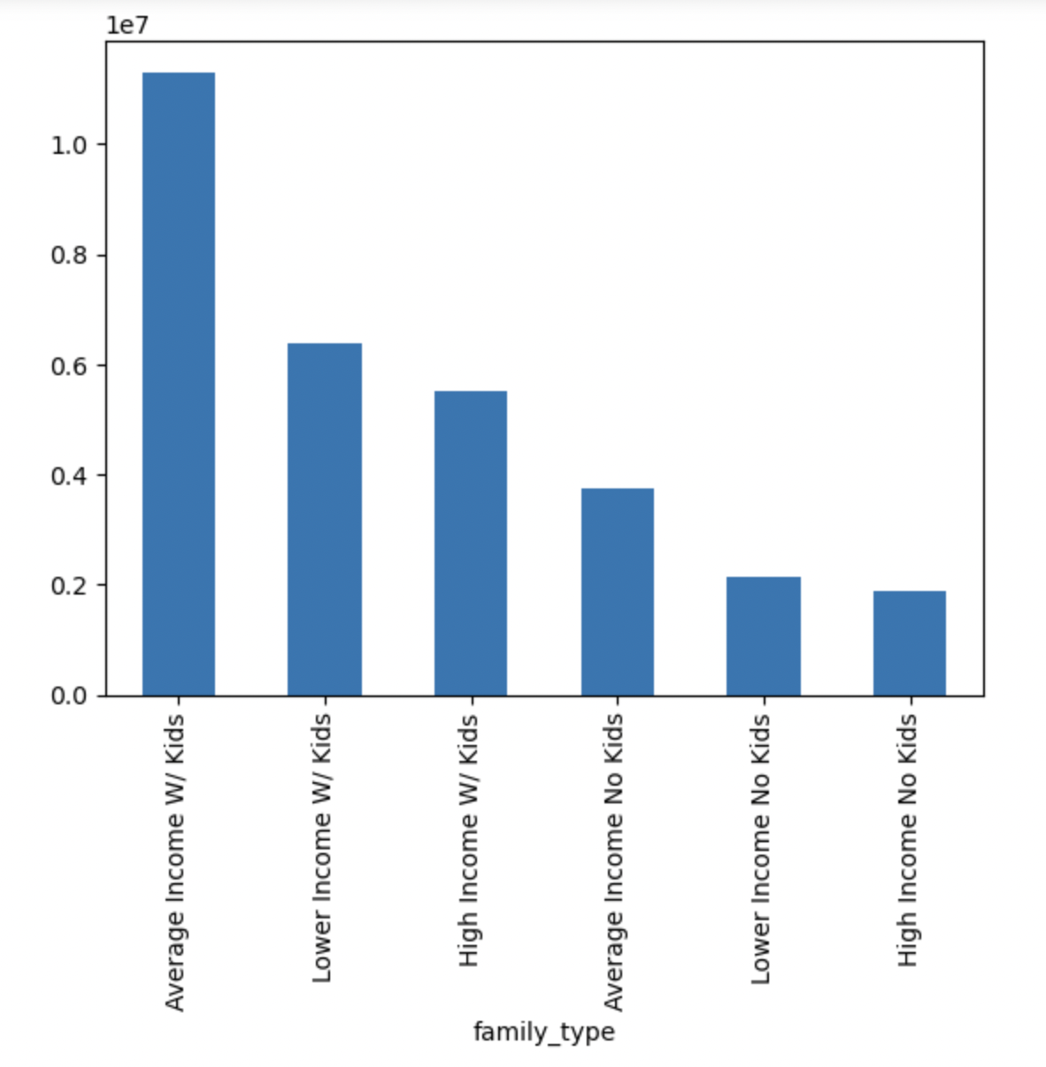

7. Recommendations
 |  |  | Title page

Recommendations

In this tab you should include any recommendations you would made to Instcart in terms of their marketing strategy based on the questions posed in the brief. Every key question has been covered in the Tasks of the Exercises - here you need to add an item - a visualisation or table/crosstable that is showing the answer in the data, acompanied by a comment from you. Please, list the questions below and add the answer underneath.

Questions
Prompt | Recommendation | Visual
The sales team needs to know what the busiest days of the week and hours of the day are (i.e., the days and times with the most orders) in order to schedule ads at times when there are fewer orders. | Given that the busiest days are Fri-Sun and 9-5, it would make sense to increase ads after 5 Monday through Wednesday to capture more sales. This is given a preference to increase ads at times when there are fewer orders.
They also want to know whether there are particular times of the day when people spend the most money, as this might inform the type of products they advertise at these times. | Customers tend to spend the most money over the weekend and in the middle of the night. The sales team could advertise their most expensive products at these times to encourage more expensive purchases.
Instacart has a lot of products with different price tags. Marketing and sales want to use simpler price range groupings to help direct their efforts. | Marketing and sales may benefit from focusin on their lower priced items, costing 1-15, given that there is significantly less interest in items that cost above 15.
Are there certain types of products that are more popular than others? The marketing and sales teams want to know which departments have the highest frequency of product orders. | The dairy/eggs and meat/seafood categories are the most significant categories. It would make sense to put an emphasis on these categories for marketing.
The marketing and sales teams are particularly interested in the different types of customers in their system and how their ordering behaviors differ. | It is clear that the higher earners have an outsized impact on purchasing decisions. It would make sense to market more dairy/eggs or other more expensive products to them as they have the disposable income and tendency to purchase these items. Additionally, it does not make sense to put significant efforts into the loyal customer base as they are a minority and it is the regular customers who have the more significant impact on profits.

